Descriptive Numerical
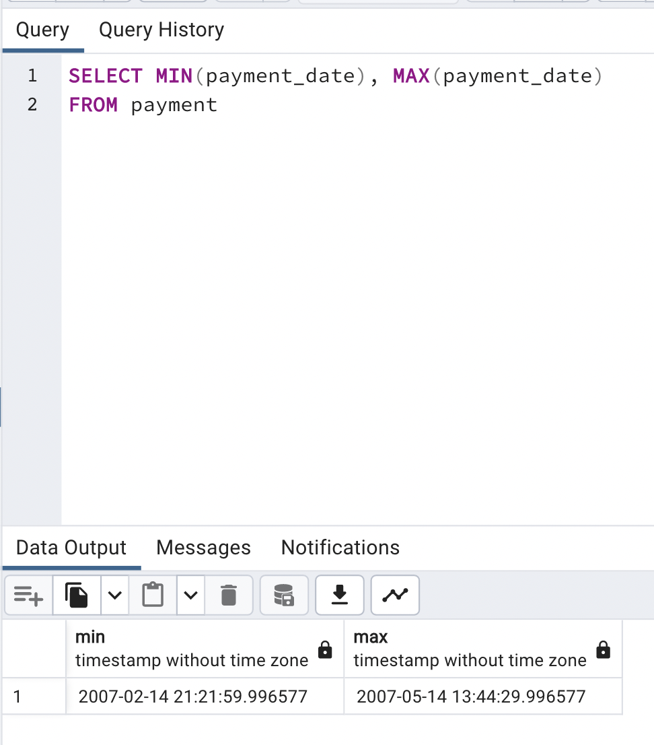
min_duration | max_duration | avg_duration | count_duration
3 | 7 | 4.985 | 1000

min_rate | max_rate | avg_rate | count_rate
0.99 | 4.99 | 2.98 | 1000 | number_of_rows
 |  |  |  | 1000
min_length | max_length | avg_length | count_length
46 | 185 | 115.272 | 1000

min_replacement_cost | max_replacement_cost | avg_replacement_cost | count_replacement_cost
9.99 | 29.99 | 19.984 | 1000

Film and Rental Numbers
total_rentals | number_of_stores | number_of_distinct_titles | total_sales_amount | number_of_sales
16044 | 2 | 958 | 61312.04 | 14596

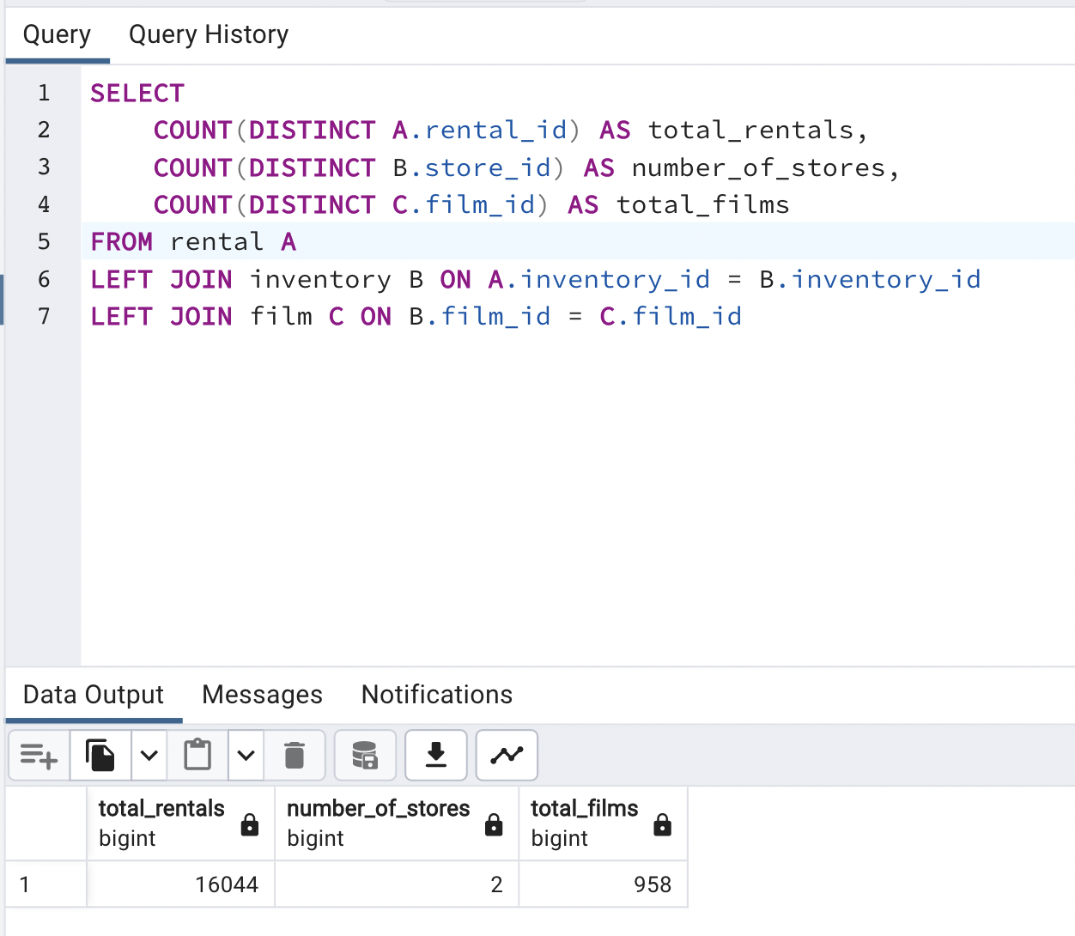
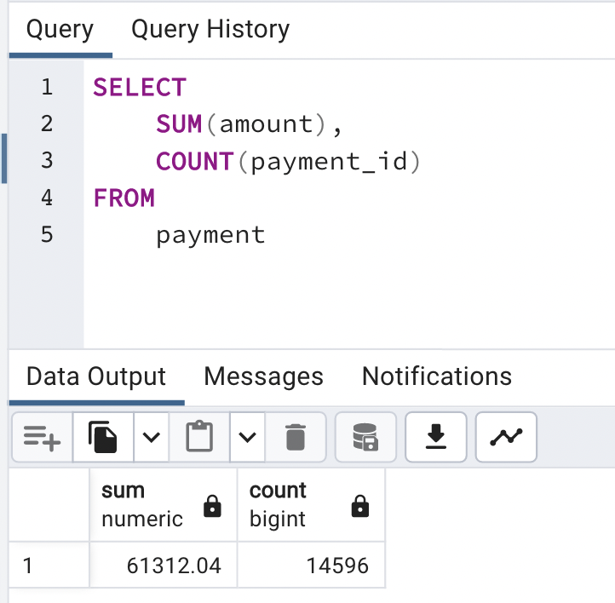

 |  |  |  | a

Genres
Total Sales by Genre
total sales | category_id | category_name
4892.19 | 15 | Sports |  | Row Labels | Sum of total sales
4336.01 | 14 | Sci-Fi | SELECT SUM(a.amount), e.category_id, f.name FROM payment A LEFT JOIN rental B ON A.rental_id = B.rental_id LEFT JOIN inventory C ON B.inventory_id = C.inventory_id LEFT JOIN film D ON C.film_id = D.film_id LEFT JOIN film_category E ON D.film_id = E.film_id LEFT JOIN category F ON E.category_id = F.category_id GROUP BY e.category_id, f.name ORDER BY SUM(a.amount) DESC | Sports | 4892.19
4245.31 | 2 | Animation |  | Sci-Fi | 4336.01
4118.46 | 7 | Drama |  | Animation | 4245.31
4002.48 | 5 | Comedy |  | Drama | 4118.46
3966.38 | 13 | New |  | Comedy | 4002.48
3951.84 | 1 | Action |  | New | 3966.38
3934.47 | 9 | Foreign |  | Action | 3951.84
3922.18 | 10 | Games |  | Foreign | 3934.47
3830.15 | 8 | Family |  | Games | 3922.18
3749.65 | 6 | Documentary |  | Family | 3830.15
3401.27 | 11 | Horror |  | Documentary | 3749.65
3353.38 | 4 | Classics |  | Horror | 3401.27
3309.39 | 3 | Children |  | Classics | 3353.38
3227.36 | 16 | Travel |  | Children | 3309.39
3071.52 | 12 | Music |  | Travel | 3227.36
 |  |  |  | Music | 3071.52
 |  |  |  | Grand Total | 61312.04

